Analysis1
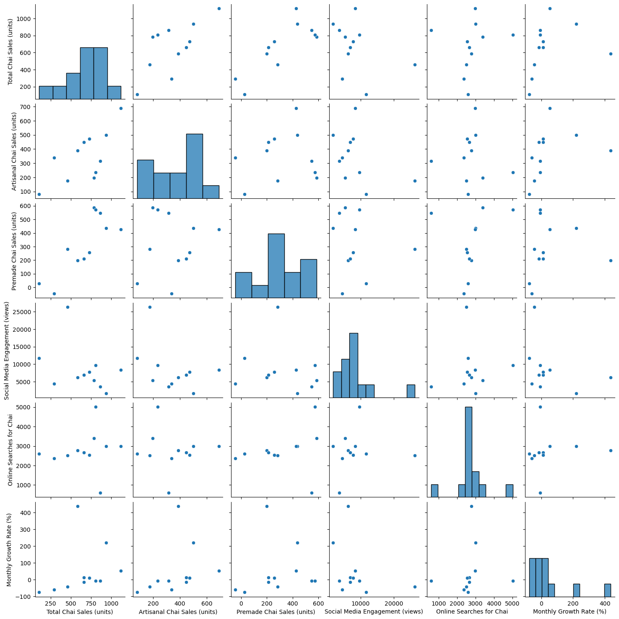
Analysis Sheet
This sheet will include all Python code generated by Copilot.

Load data from Sheet1, Table1

Preview

Calculate the correlation matrix after handling empty strings

Preview

Create a heatmap for the correlation matrix

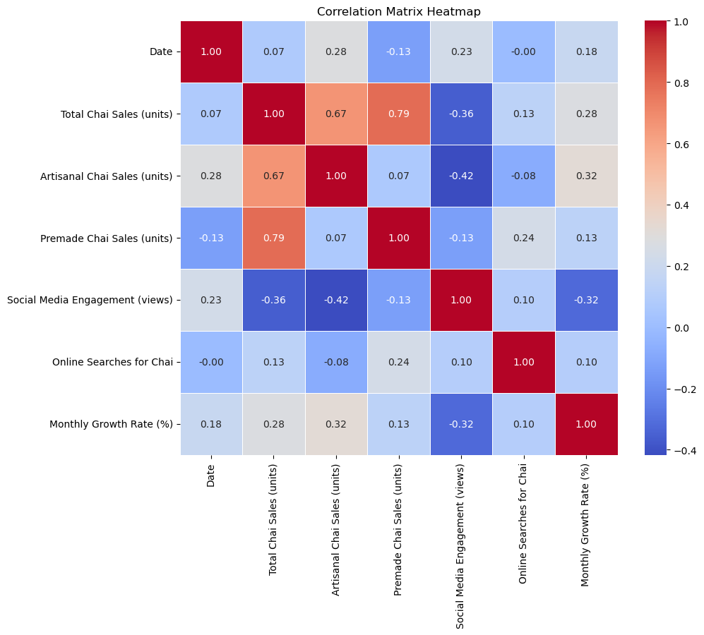

Generate a pair plot for the DataFrame

